Boys 5
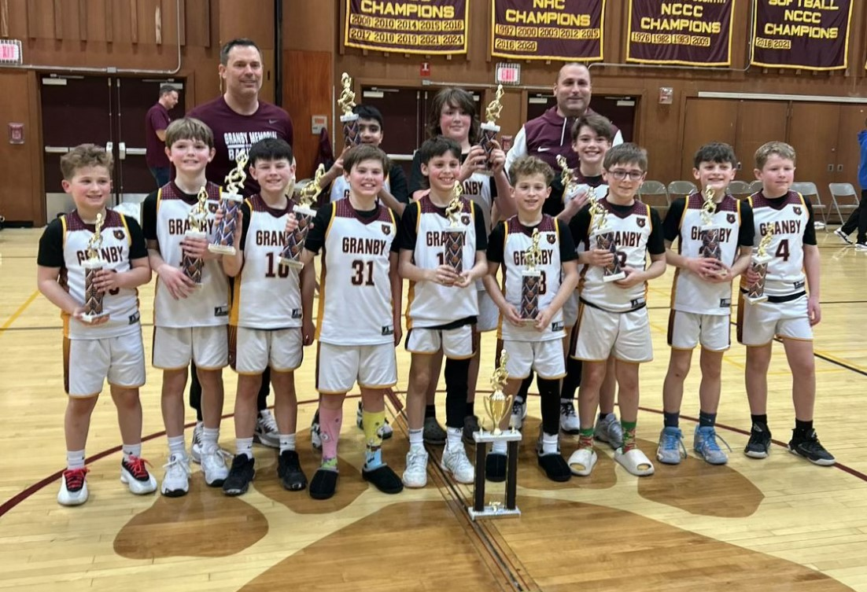
2025/2026 North Cental Connecticut Travel Basketball Playoffs
Boy 5th Grade

Website Bracket
https://nccbball.com/tournament-bracket/29530/870

 | Seeds |  | 8 Team Bracket
 | 1 | Granby | G1 | 12 vs. 13
 | 2 | Suffield | G2 | 5 vs. G1
 | 3 | Rocky Hill | G3 | 6 vs. 11
 | 4 | Canton | G4 | 7 vs. 10
 | 5 | Plainville | G5 | 8 vs. 9
 | 6 | Hebron | G6 | 1 vs. G5
 | 7 | Somers | G7 | 2 vs. G4
 | 8 | Ellington | G8 | 3 vs. G3
 | 9 | East Granby | G9 | 4 vs. G2
 | 10 | Tolland | G10 | G6 vs. G9
 | 11 | Glastonbury | G11 | G7 vs. G8
 | 12 | Enfield | G12 | G10 vs. G11
 | 13 | Stafford

 |  |  |  | #13 Stafford | 15
G1
 |  |  |  |  |  | #12 Enfield | 17
G2
 |  |  |  | #12 Enfield | 33 | ` |  | #5 Plainville | 24
G9
 |  |  |  |  |  | #5 Plainville | 26 |  |  | #4 Canton | 32

 |  |  |  |  |  |  |  | #4 Canton | 39
G10
 |  |  |  |  |  | #9 East Granby | 21 |  |  |  |  | #1 Granby | 46
G5
 |  |  |  |  |  |  |  | #8 Ellington | 19
G6
 |  |  |  |  |  | #8 Ellington | 30 |  |  | #1 Granby | 51

 |  |  |  |  |  |  |  | #1 Granby | 37
G12
 |  |  |  |  |  | #10 Tolland | 22 |  |  |  |  |  |  | #1 Granby
G4
 |  |  |  |  |  |  |  | #7 Somers | 36
G7
 |  |  |  |  |  | #7 Somers | 26 |  |  | #2 Suffield | 31

 |  |  |  |  |  |  |  | #2 Suffield | 55
G11
 |  |  |  |  |  | #11 Glastonbury | 24 |  |  |  |  | #3 Rocky Hill | 28
G3
 |  |  |  |  |  |  |  | #6 Hebron | 33
G8
 |  |  |  |  |  | #6 Hebron | 40 |  |  | #3 Rocky Hill | 18

 |  |  |  |  |  |  |  | #3 Rocky Hill | 42

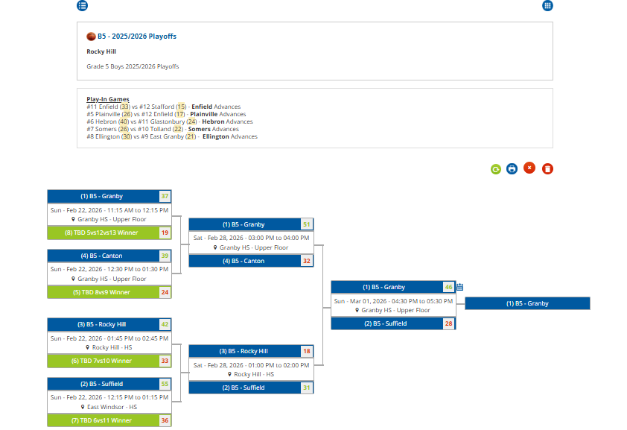

Boys 6 - D1
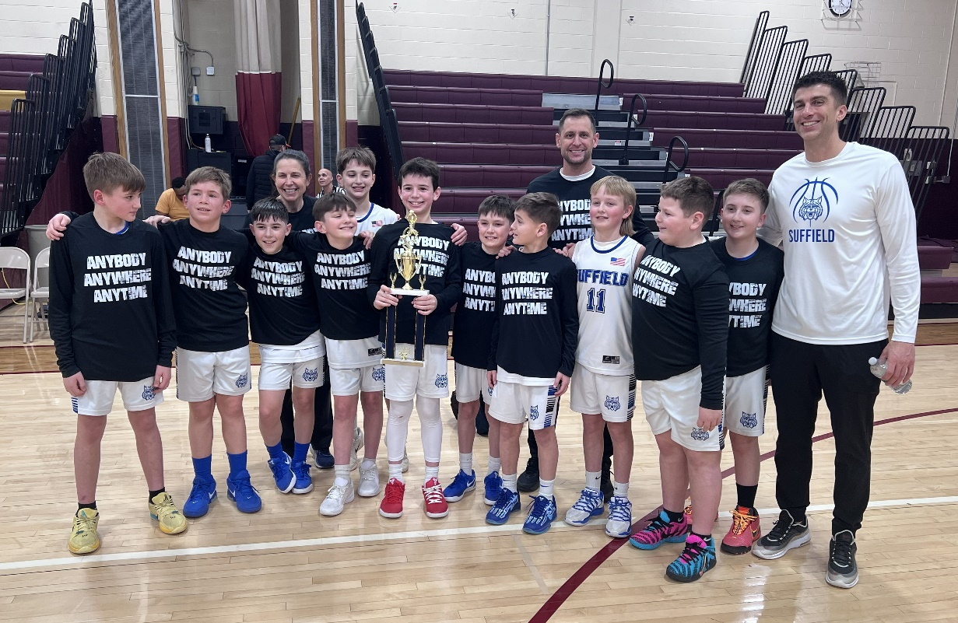
2025/2026 North Cental Connecticut Travel Basketball Playoffs
Boys 6th Grade Division 1 (6BD1)

Website Bracket
https://nccbball.com/tournament-bracket/29530/866

 | Seeds |  | 9 Team Bracket
 | 1 | Suffield | G1 | 8 vs. 9
 | 2 | Somers | G2 | 1 vs. G1
 | 3 | Hebron | G3 | 2 vs. 7
 | 4 | Ellington | G4 | 3 vs. 6
 | 5 | Enfield | G5 | 4 vs. 5
 | 6 | Tolland | G6 | G2 vs. G5
 | 7 | Canton | G7 | G3 vs. G4
 | 8 | East Granby | G8 | G6 vs. G7
 | 9 | Coventry

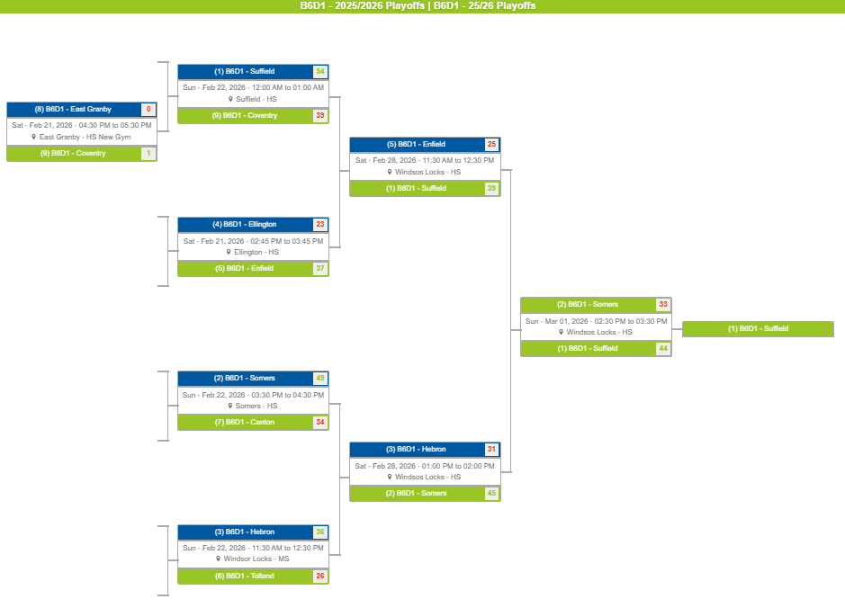

Boys 6 - D2
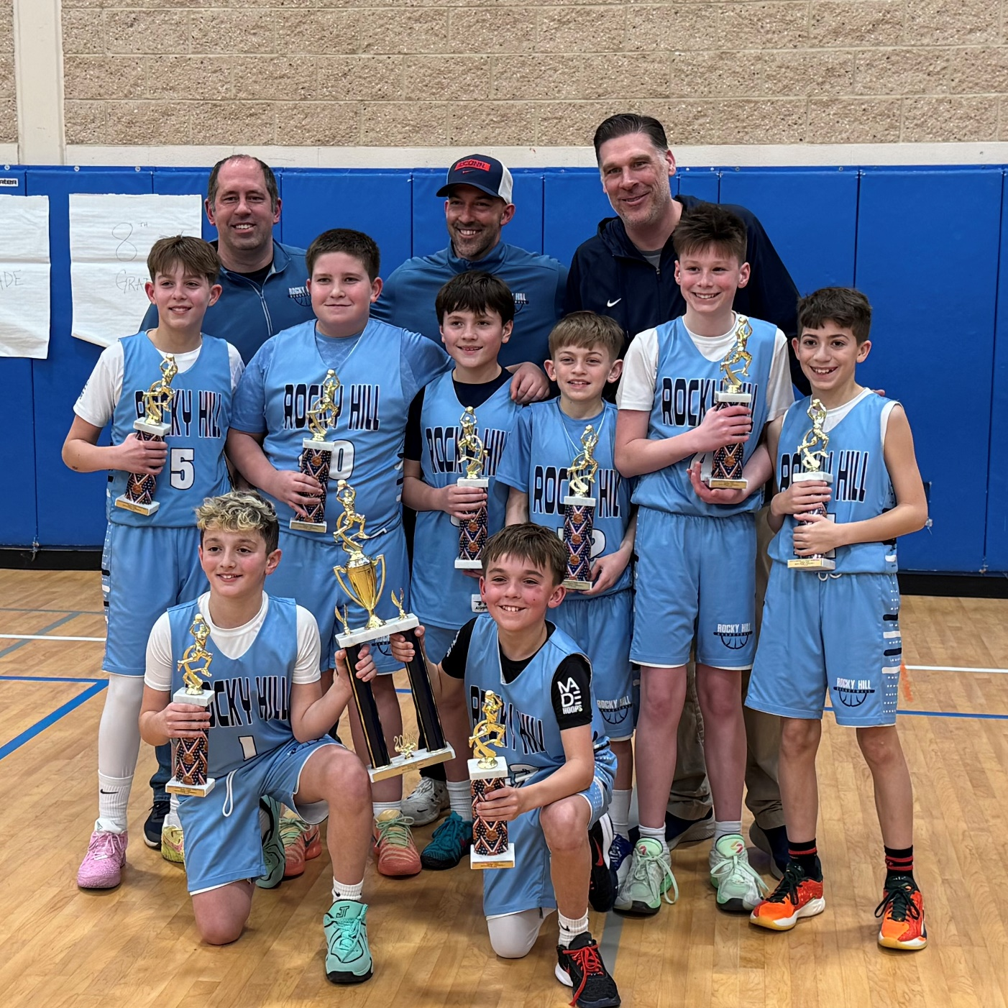
2025/2026 North Cental Connecticut Travel Basketball Playoffs
Boys 6th Grade Division 2 (6BD2)

Website Bracket
https://nccbball.com/tournament-bracket/29536/873

Seeds |  | 9 Team Bracket
1 | Glastonbury | G1 | 8 vs. 9
2 | Rocky Hill | G2 | 1 vs. G1
3 | Windsor Locks | G3 | 2 vs. 7
4 | Bolton | G4 | 3 vs. 6
5 | Farmington | G5 | 4 vs. 5
6 | Plainville | G6 | G2 vs. G5

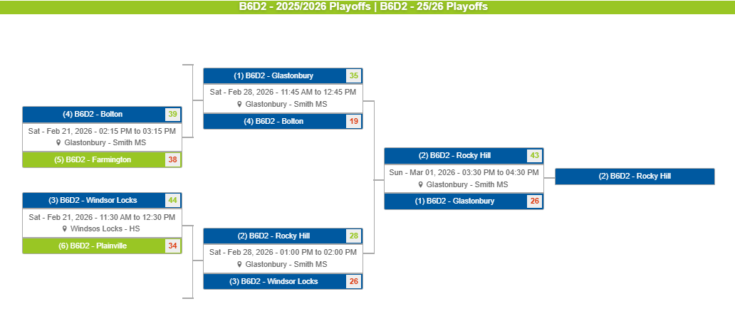

Boys 6 - D3
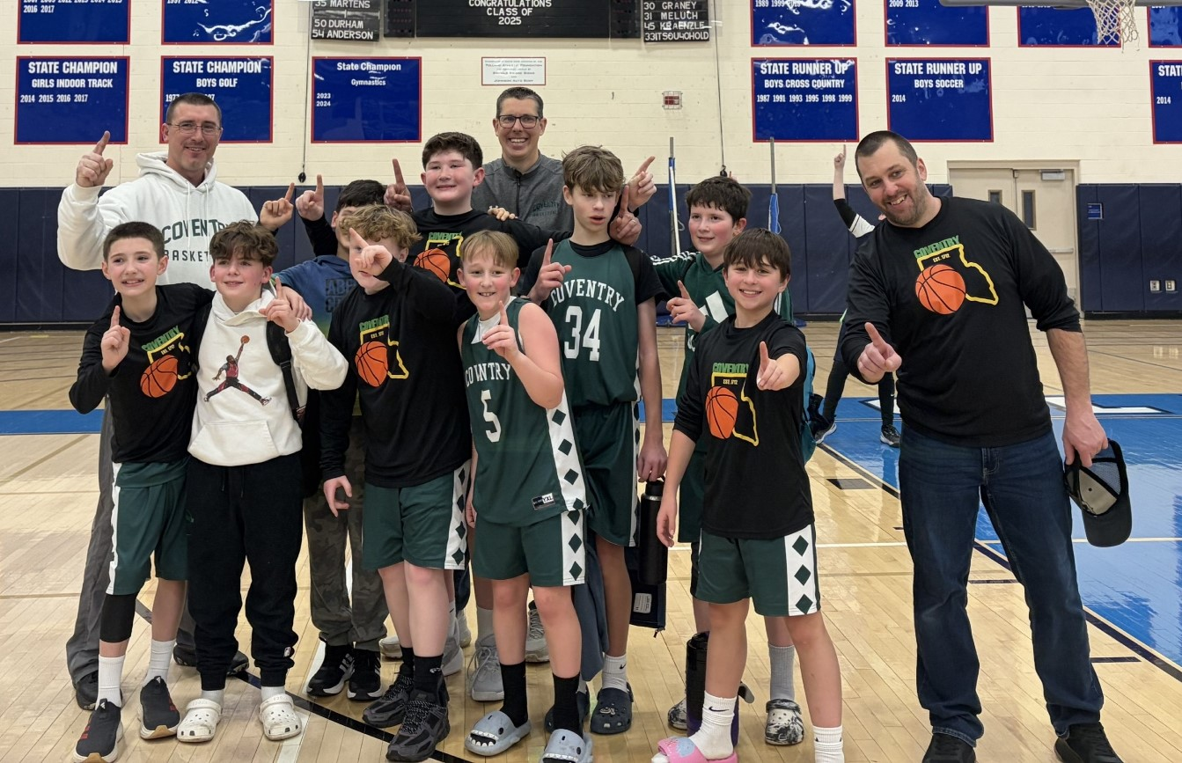
2025/2026 North Cental Connecticut Travel Basketball Playoffs
Boy 6th Grade Division 3 (B6D3)

Website Bracket
https://nccbball.com/tournament-bracket/29530/881

 | Seeds
 | 1 | Vernon
 | 2 | Coventry
 | 3 | Granby
 | 4 | Stafford
 | 5 | Tolland
 | 6 | East Windsor
 | 7 | Canton
 | 8 | Mansfield

 | 8 Team Bracket
 | G1 | 7 vs. 8
 | G2 | 2 vs. G1
 | G3 | 3 vs. 6
 | G4 | 4 vs. 5 |  |  | `
 | G5 | 1 vs. G4 | #7 Canton | 23
G1
 | G6 | G2 vs. G3
 | G7 | G5 vs. G6 |  |  | #7 B7D1 - Vernon | 43
G2
 |  |  | #8 Mansfield | 37 |  |  | #2 Coventry | 48

G6
 |  |  |  |  | #2 Coventry | 48
 |  |  |  |  |  |  |  |  | #2 Coventry | 39
 |  |  |  |  | #3 Granby | 57
G3
 |  |  |  |  |  |  | #3 Granby | 25
G7
 |  |  |  |  | #6 East Windsor | 13 |  |  |  |  | #2 Coventry

 |  |  |  |  |  |  | #1 Vernon | 46

G5
 |  |  |  |  |  |  |  |  | #1 Vernon | 19
 |  |  |  |  | #4 Stafford | 39
G4
 |  |  |  |  |  |  | #4 Stafford | 42

 |  |  |  |  | #5 Tolland | 26

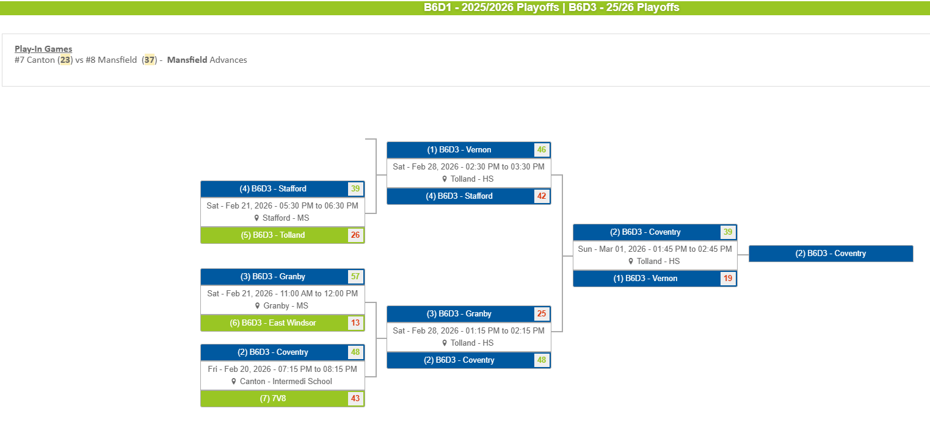

Boys 7 - D1
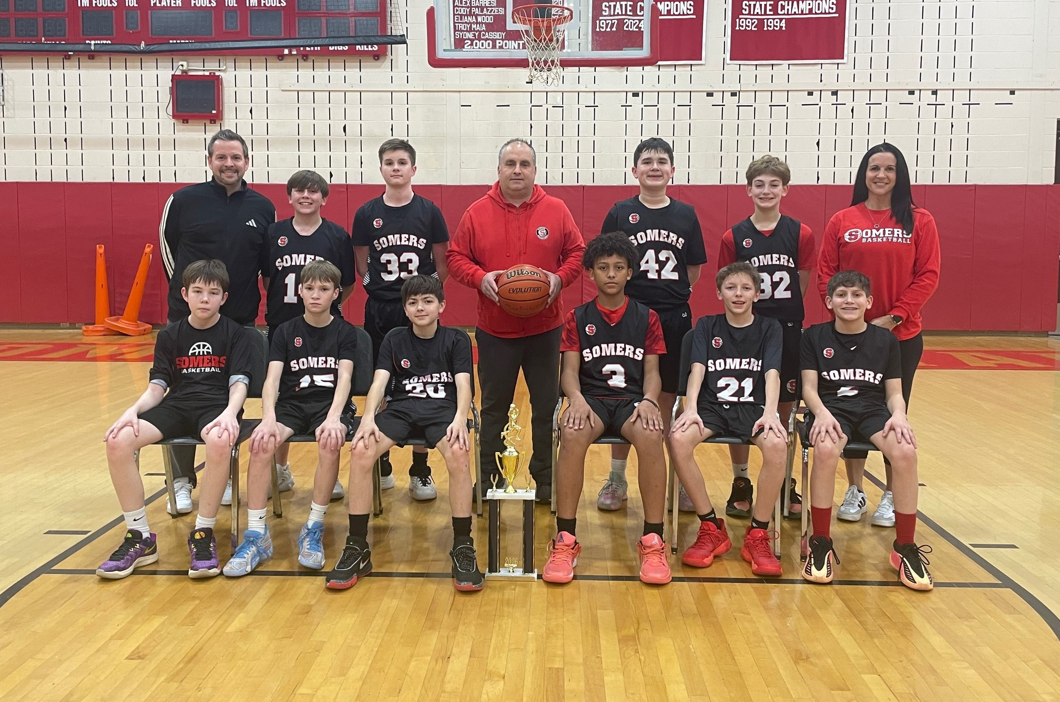
2025/2026 North Cental Connecticut Travel Basketball Playoffs
Boys 7th Grade Division 1 (7BD1)

Website Bracket
https://nccbball.com/tournament-bracket/29530/867

 | Seeds |  | 9 Team Bracket
 | 1 | Suffield | G1 | 8 vs. 9
 | 2 | Somers | G2 | 1 vs. G1
 | 3 | Enfield | G3 | 2 vs. 7
 | 4 | Tolland | G4 | 3 vs. 6
 | 5 | Canton | G5 | 4 vs. 5
 | 6 | Windsor Locks | G6 | G2 vs. G5
 | 7 | Ellington | G7 | G3 vs. G4
 | 8 | Vernon | G8 | G6 vs. G7
 | 9 | Glastonbury

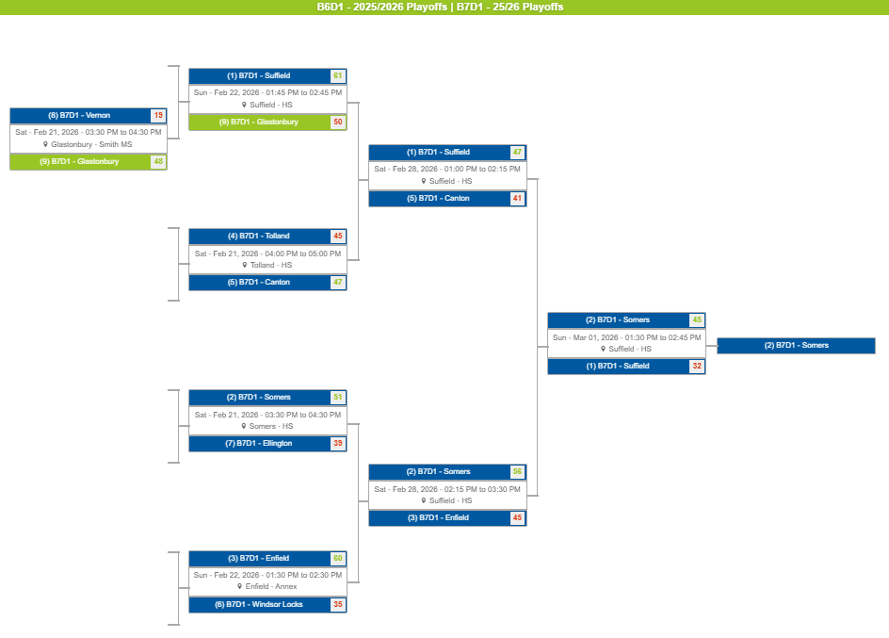

Boys 7 - D2
2025/2026 North Cental Connecticut Travel Basketball Playoffs
Boys 7th Grade Division 2 (7BD2)

Website Bracket
https://sportsplus.app/league/5908/tournament-brackets/29533/868

 | Seeds |  | 9 Team Bracket
 | 1 | Plainville | G1 | 8 vs. 9
 | 2 | Granby | G2 | 1 vs. G1
 | 3 | Stafford | G3 | 2 vs. 7
 | 4 | RH | G4 | 3 vs. 6
 | 5 | EG | G5 | 4 vs. 5
 | 6 | Farm | G6 | G2 vs. G5
 | 7 | EW | G7 | G3 vs. G4
 | 8 | Tolland | G8 | G6 vs. G7
 | 9 | Vernon

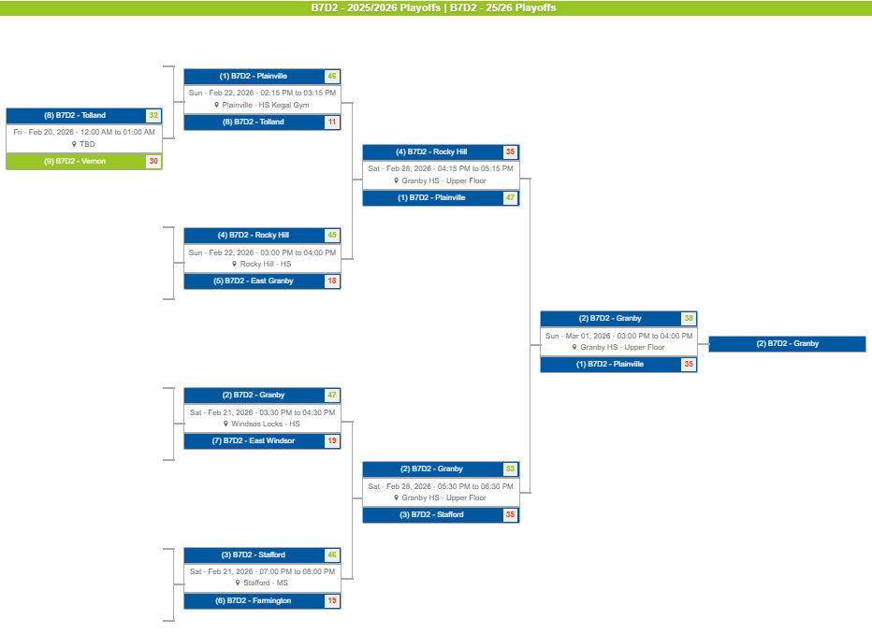

Boys 8 - D1
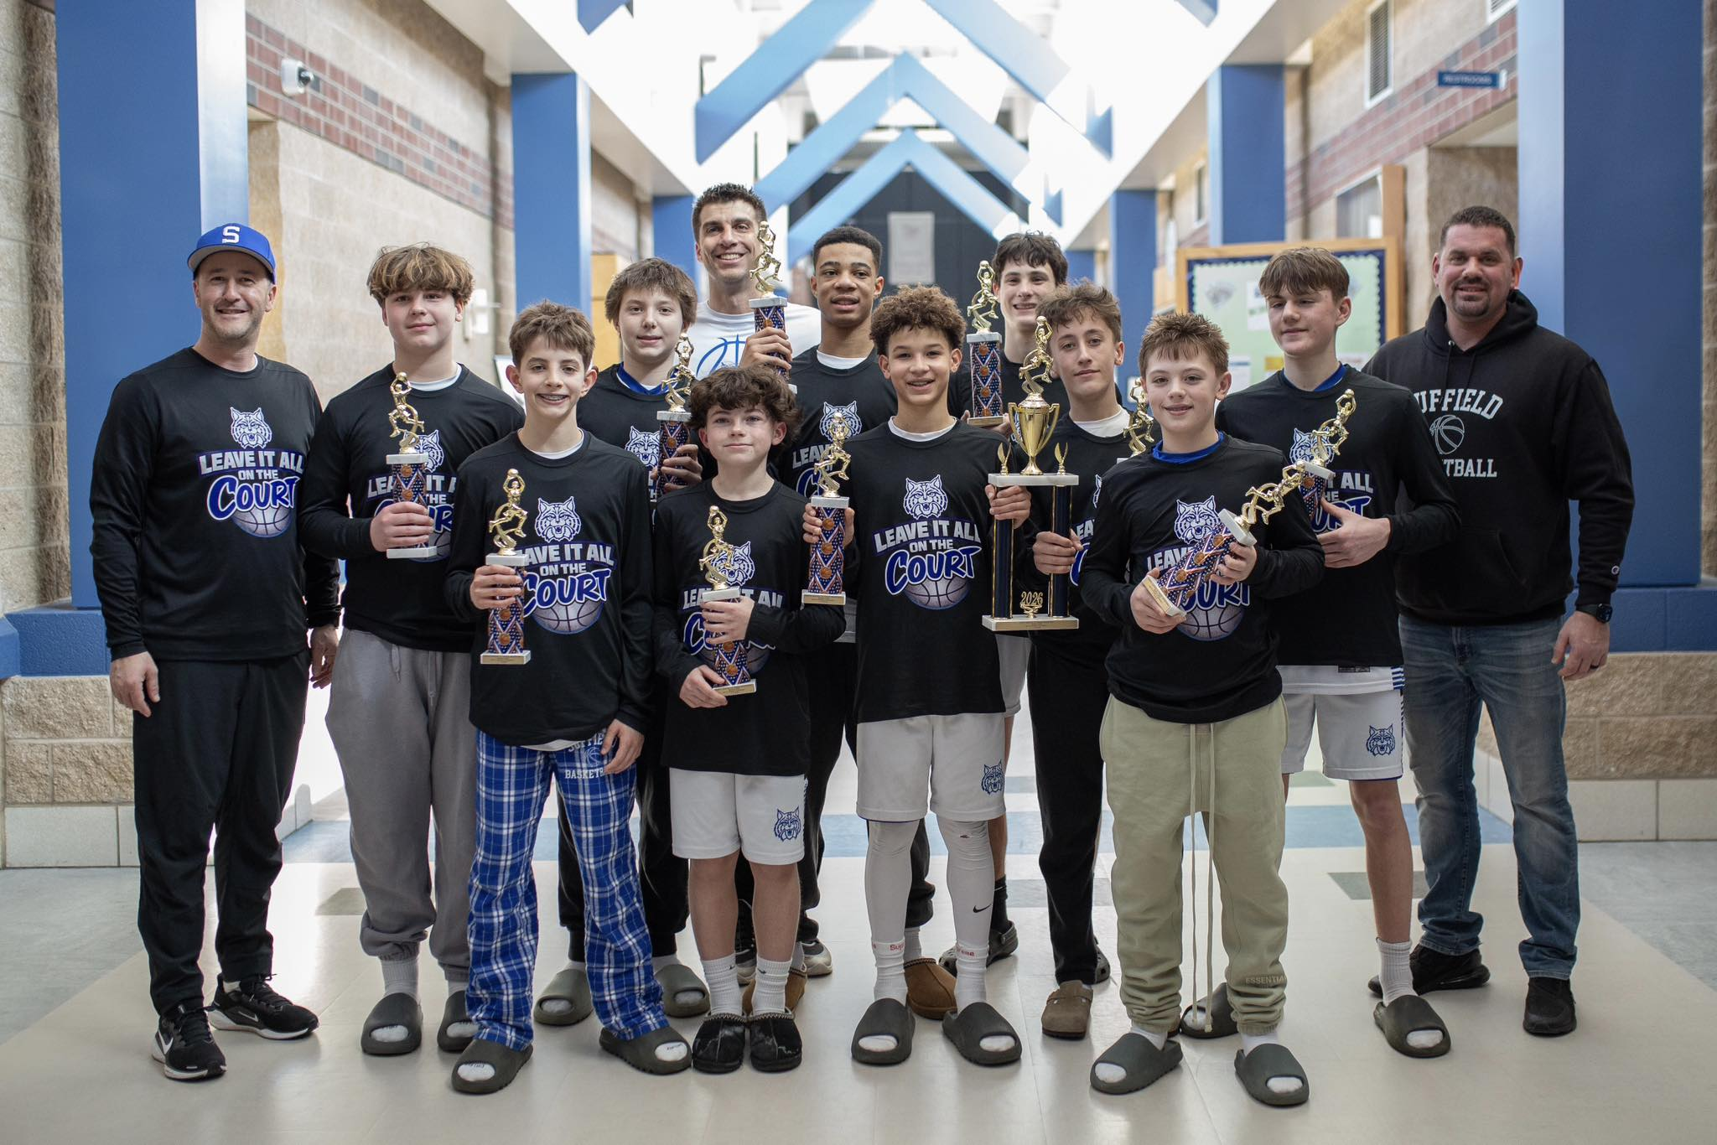
2025/2026 North Cental Connecticut Travel Basketball Playoffs
Boy 8th Grade Division 1 (B8D1)

Website Bracket
https://nccbball.com/tournament-bracket/29530/878

 | Seeds
 | 1 | Suffield
 | 2 | Ellington
 | 3 | Canton
 | 4 | Windsor Locks
 | 5 | Rocky Hill
 | 6 | Bolton
 | 7 | Somers
 | 8 | East Windsor

G1
 | 8 Team Bracket |  |  |  | `
 | G1 | 7 vs. 8 | #7 Somers | 65
 | G2 | 2 vs. G1
 | G3 | 3 vs. 6 |  |  | #7 Somers | 53
G2
 | G4 | 4 vs. 5
 | G5 | 1 vs. G4 | #8 East Windsor | 30 |  |  | #2 Ellington | 60
 | G6 | G2 vs. G3
G6
 | G7 | G5 vs. G6 |  |  | #2 Ellington | 68
 |  |  |  |  |  |  |  |  | #2 Ellington | 39
 |  |  |  |  | #3 Canton | 60
G3
 |  |  |  |  |  |  | #3 Canton | 45
G7
 |  |  |  |  | #6 Bolton | 42 |  |  |  |  | #1 Suffield

 |  |  |  |  |  |  | #1 Suffield | 54

G5
 |  |  |  |  |  |  |  |  | #1 Suffield | 41
 |  |  |  |  | #4 Windsor Locks | 59
G4
 |  |  |  |  |  |  | #4 Windsor Locks | 49

 |  |  |  |  | #5 Rocky Hill | 57

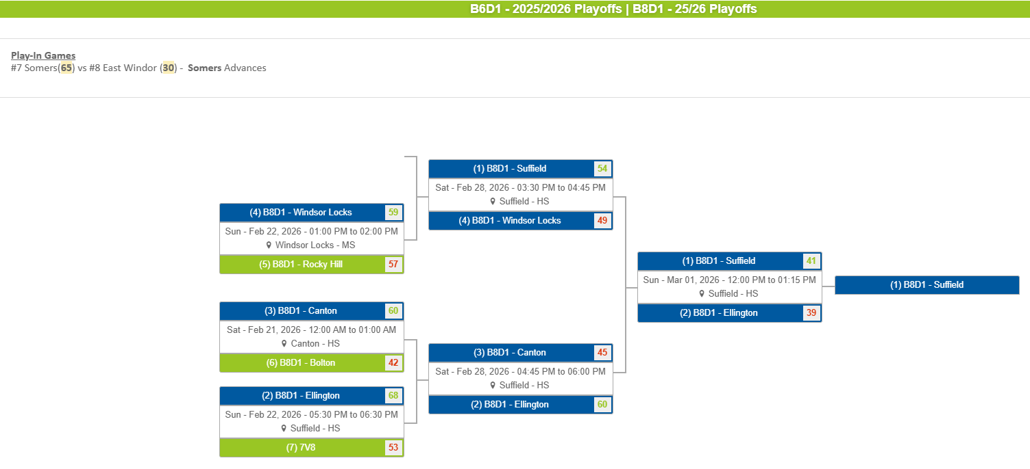

Boys 8 - D2
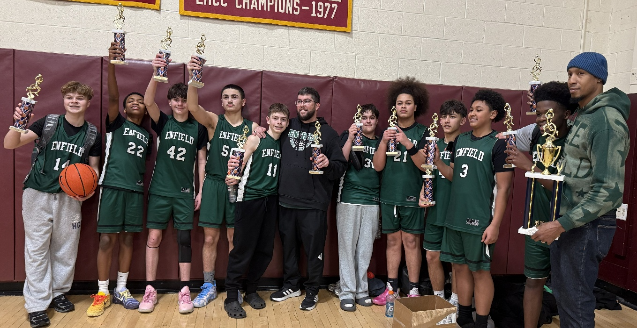
2025/2026 North Cental Connecticut Travel Basketball Playoffs
Boy 8th Grade Division 2 (B8D2)

Website Bracket
https://nccbball.com/tournament-bracket/29530/876

 | Seeds |  | 8 Team Bracket
 | 1 | Enfield | G1 | 5 vs 12
 | 2 | Plainville | G2 | 6 vs 11
 | 3 | Mansfield | G3 | 7 vs 10
 | 4 | East Granby | G4 | 8 vs 9
 | 5 | Granby | G5 | 1 vs G4
 | 6 | Glastonbury | G6 | 2 vs G3
 | 7 | Tolland | G7 | 3 vs G2
 | 8 | Simsbury | G8 | 4 vs G1
 | 9 | Stafford | G9 | G5 vs G8
 | 10 | Avon | G10 | G6 vs G7
 | 11 | Coventry | G11 | G9 vs G10
 | 12 | Vernon

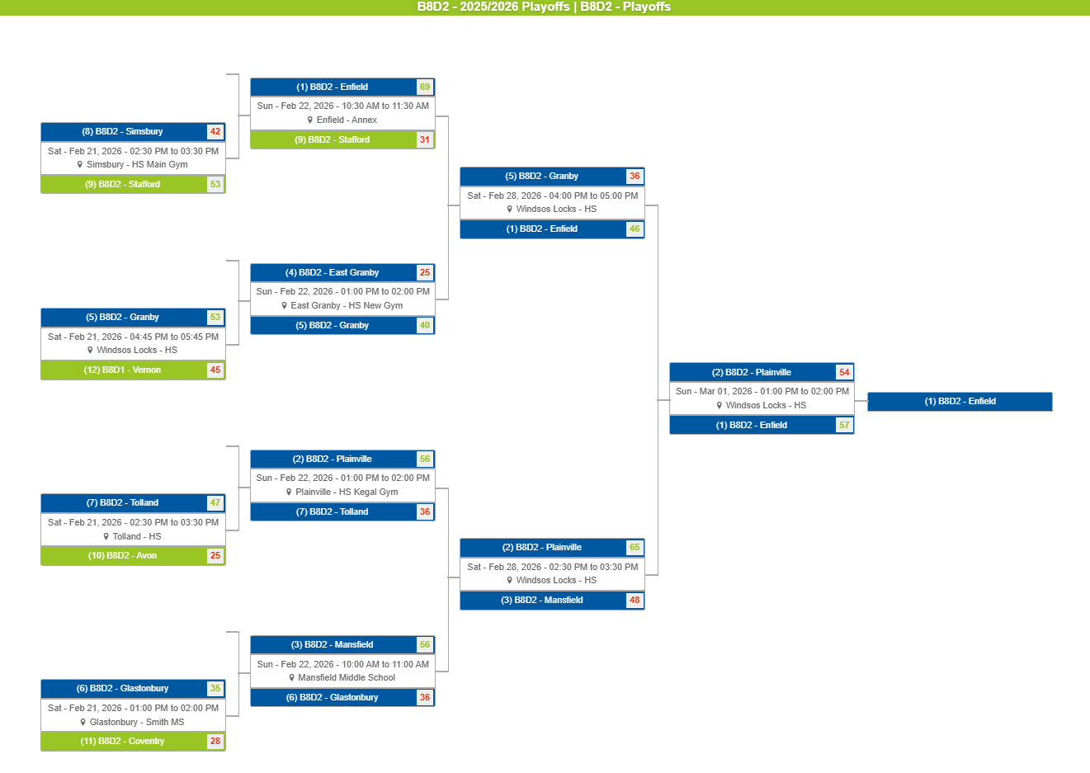

Girls 5
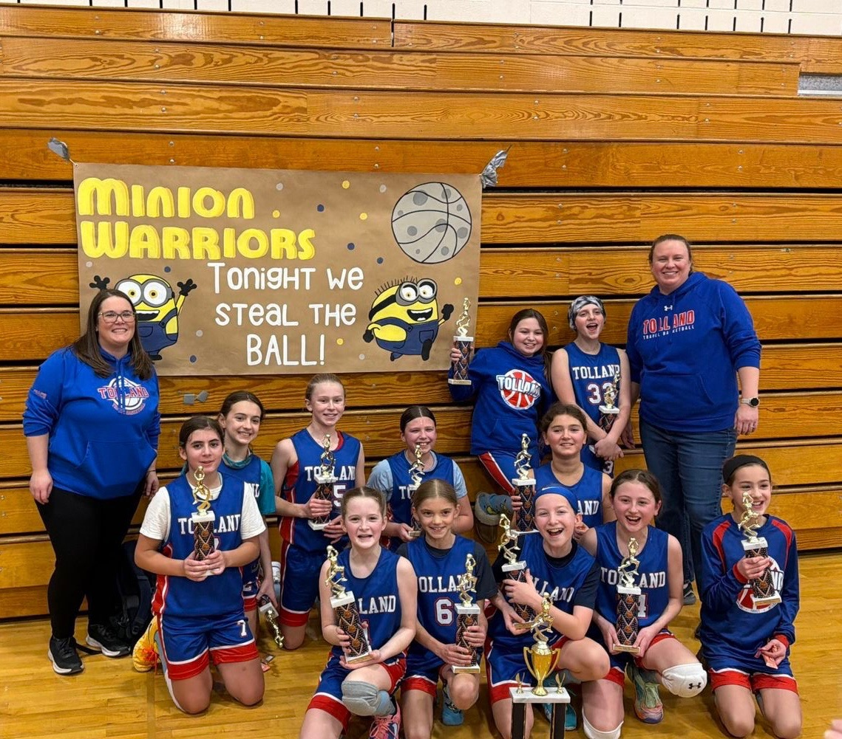
2025/2026 North Cental Connecticut Travel Basketball Playoffs
Girls 5th Grade

Website Bracket
https://nccbball.com/tournament-bracket/29530/879

 | Seeds |  | 7 Team Bracket
 | 1 | Somers | G1 | 2 vs. 7
 | 2 | Tolland | G2 | 3 vs. 6
 | 3 | EG | G3 | 4 vs. 5
 | 4 | Canton | G4 | 1 vs. G3
 | 5 | Suffield | G5 | G1 vs. G2
 | 6 | Hebron | G6 | G4 vs. G5
 | 7 | Granby

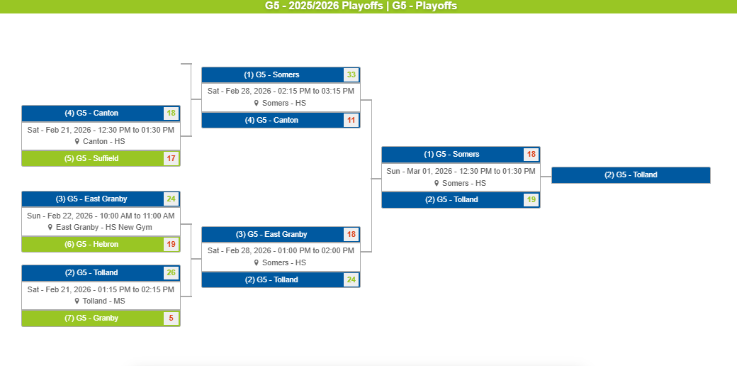

Girls 6
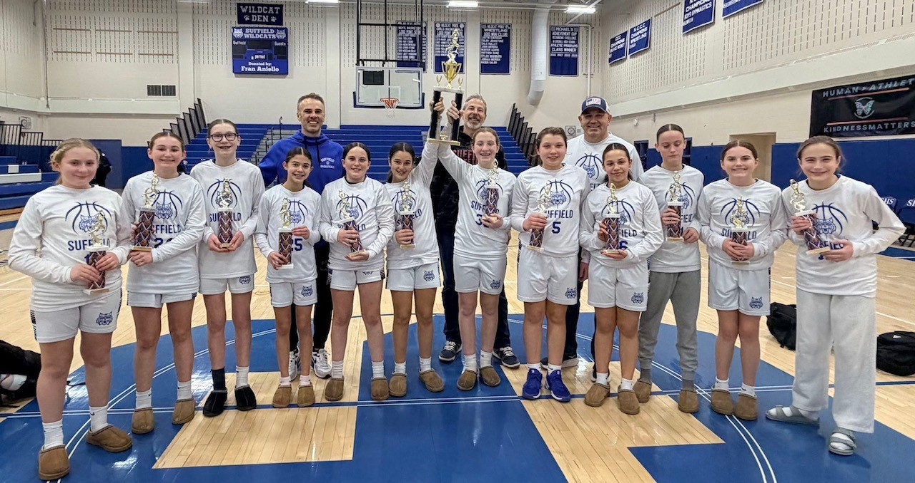
2025/2026 North Cental Connecticut Travel Basketball Playoffs
Girls 6th Grade

Website Bracket
https://nccbball.com/tournament-bracket/29530/872

 | Seeds |  | 8 Team Bracket
 | 1 | Suffield | G1 | 12 vs. 13
 | 2 | Somers | G2 | 5 vs. G1
 | 3 | Ellington | G3 | 6 vs. 11
 | 4 | Enfield | G4 | 7 vs. 10
 | 5 | Canton | G5 | 8 vs. 9
 | 6 | Granby | G6 | 1 vs. G5
 | 7 | Tolland | G7 | 2 vs. G4
 | 8 | Coventry | G8 | 3 vs. G3
 | 9 | Hebon | G9 | 4 vs. G2
 | 10 | Windsork Locks | G10 | G6 vs. G9
 | 11 | East Granby | G11 | G7 vs. G8
 | 12 | East Windsor | G12 | G10 vs. G11
 | 13 | Simsbury

 |  |  |  | #13 Simsbury | 8
G1
 |  |  |  |  |  | #12 East Windsor | 10
G2
 |  |  |  | #12 East Windsor | 20 | ` |  | #5 Canton | 12
G9
 |  |  |  |  |  | #5 Canton | 28 |  |  | #4 Enfield | 33

 |  |  |  |  |  |  |  | #4 Enfield | 28
G10
 |  |  |  |  |  | #9 Hebon | 30 |  |  |  |  | #1 Suffield | 50
G5
 |  |  |  |  |  |  |  | #9 Hebon | 29
G6
 |  |  |  |  |  | #8 Coventry | 18 |  |  | #1 Suffield | 46

 |  |  |  |  |  |  |  | #1 Suffield | 48
G12
 |  |  |  |  |  | #10 Windsork Locks | 21 |  |  |  |  |  |  | #1 Suffield
G4
 |  |  |  |  |  |  |  | #7 Tolland | 31
G7
 |  |  |  |  |  | #7 Tolland | 32 |  |  | #2 Somers | 39

 |  |  |  |  |  |  |  | #2 Somers | 43
G11
 |  |  |  |  |  | #11 East Granby | 24 |  |  |  |  | #2 Somers | 37
G3
 |  |  |  |  |  |  |  | #11 East Granby | 2
G8
 |  |  |  |  |  | #6 Granby | 23 |  |  | #3 Ellington | 22

 |  |  |  |  |  |  |  | #3 Ellington | 36
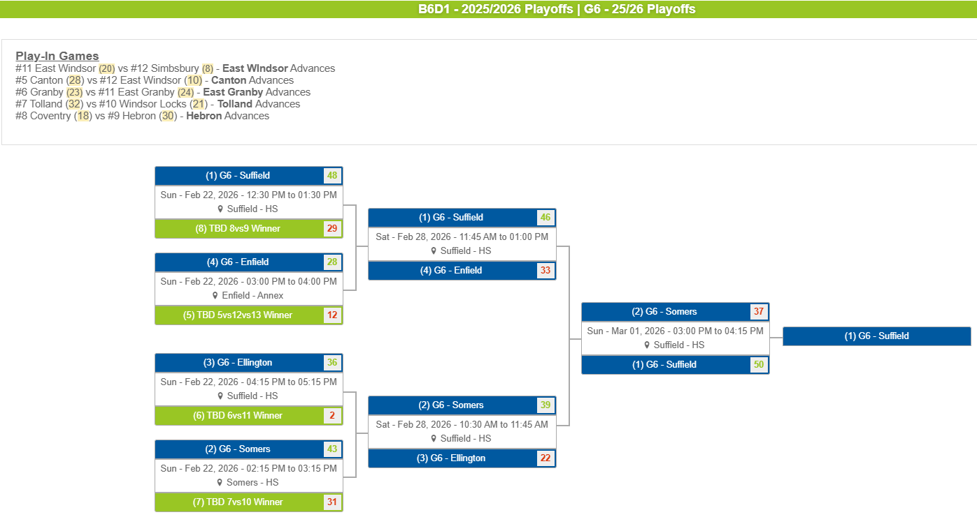

Girls 78 D1
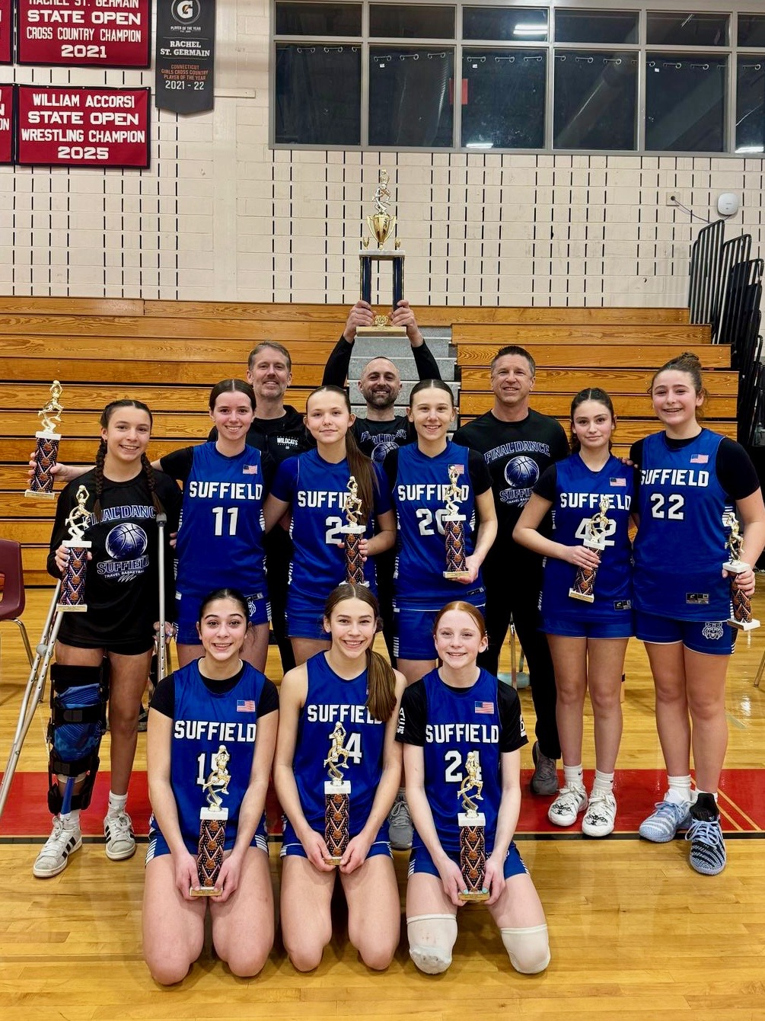
2025/2026 North Cental Connecticut Travel Basketball Playoffs
Girls 78 Grade Division 1

Website Bracket
https://nccbball.com/tournament-bracket/29530/874

 | Seeds |  | 8 Team Bracket
 | 1 | Somers | G1 | 3 vs. 6
 | 2 | Coventry | G2 | 4 vs. 5
 | 3 | Enfield | G3 | 1 vs G2
 | 4 | Suffield | G4 | 2 vs. G1
 | 5 | Granby | G5 | G3 vs. G4
 | 6 | Tolland

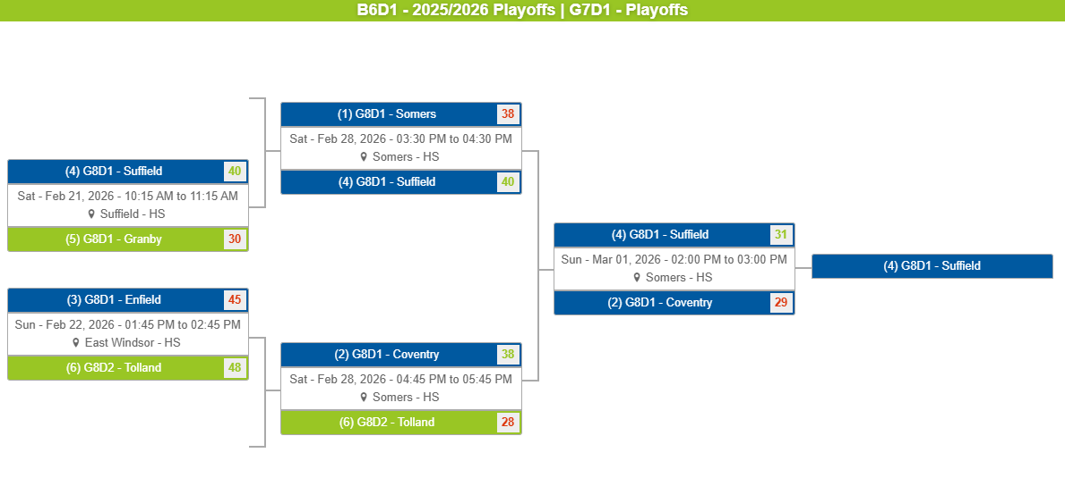

Girls 78 D2
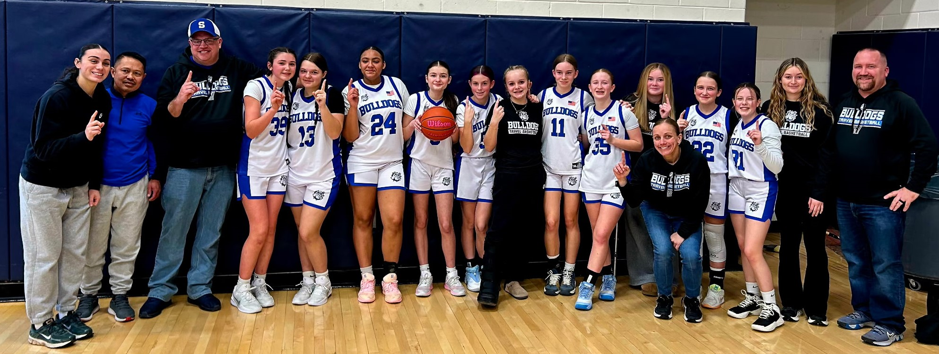
2025/2026 North Cental Connecticut Travel Basketball Playoffs
Girls 78 Grade Division 2

Website Bracket
https://nccbball.com/tournament-bracket/29530/869

 | Seeds |  | 9 Team Bracket
 | 1 | Stafford | G1 | 8 vs. 9
 | 2 | East Granby | G2 | 1 vs. G1
 | 3 | Granby | G3 | 2 vs. 7
 | 4 | Canton | G4 | 3 vs. 6
 | 5 | Somers | G5 | 4 vs. 5
 | 6 | Enfield | G6 | G2 vs. G5
 | 7 | Suffield | G7 | G3 vs. G4
 | 8 | Ellington | G8 | G6 vs. G7
 | 9 | Glastonbury

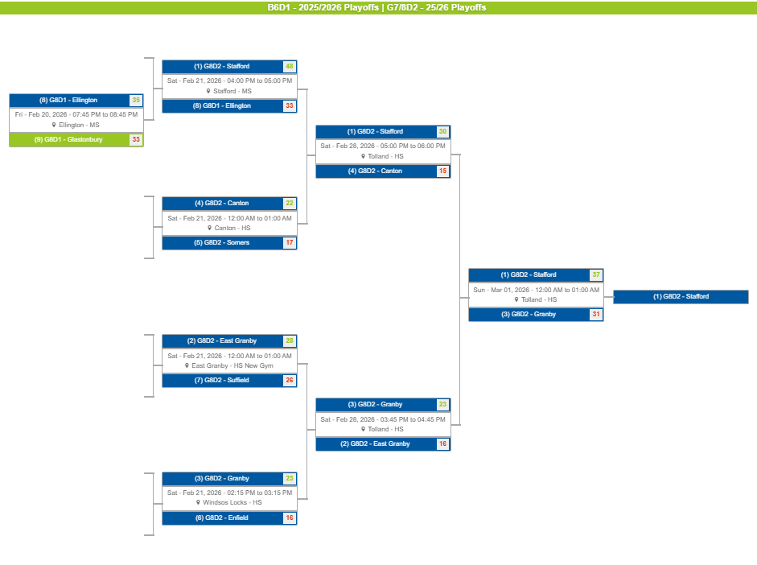

Girls 78 D3
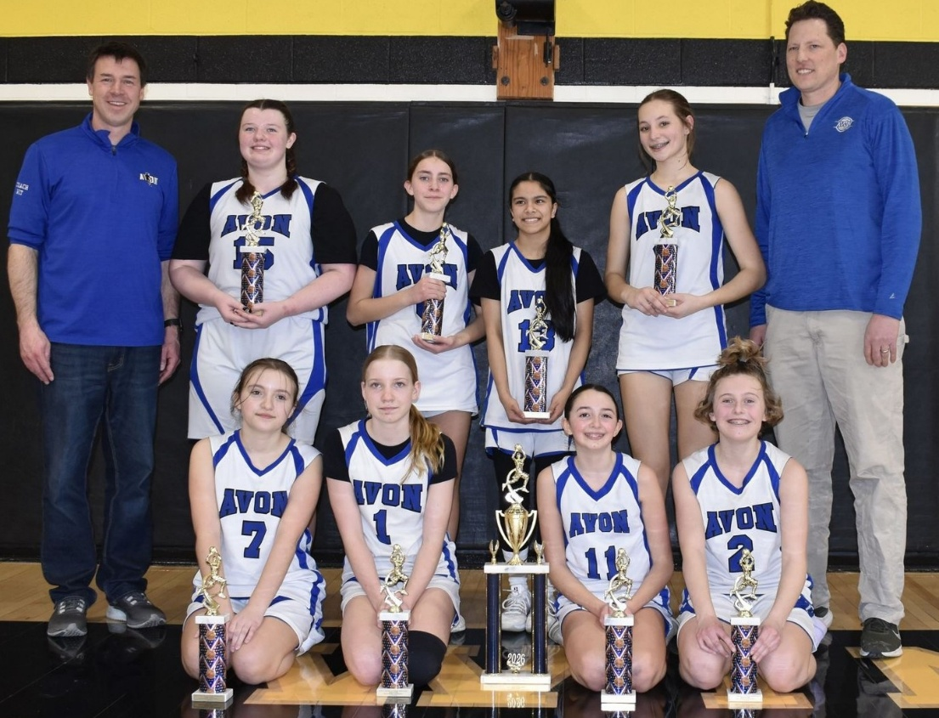
2025/2026 North Cental Connecticut Travel Basketball Playoffs
Girls 78 Grade Division 3

Website Bracket
https://nccbball.com/tournament-bracket/29530/875

 | Seeds |  | 8 Team Bracket
 | 1 | Avon | G1 | 3 vs. 6
 | 2 | EW | G2 | 4 vs. 5
 | 3 | Tolland | G3 | 1 vs G2
 | 4 | Canton | G4 | 2 vs. G1
 | 5 | Mansfield | G5 | G3 vs. G4
 | 6 | WL

