INSTRUCTIONS
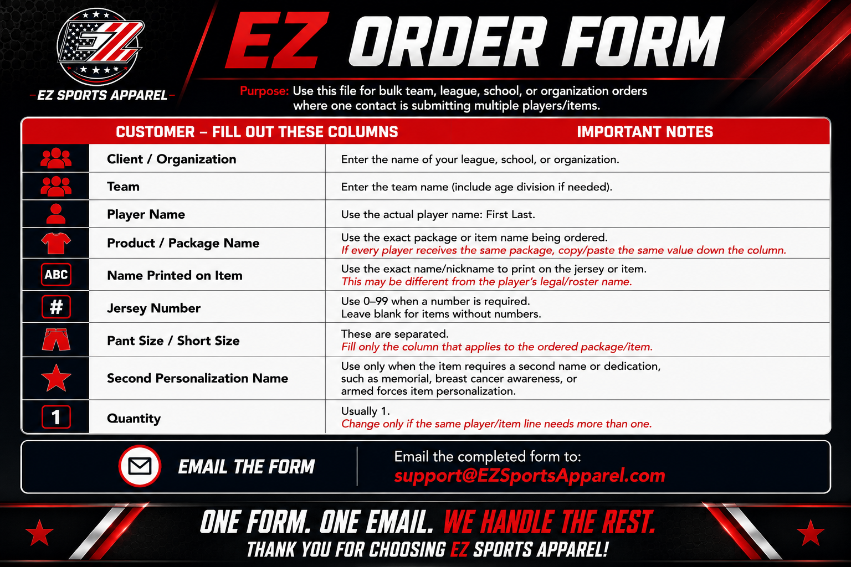

ORDER FORM
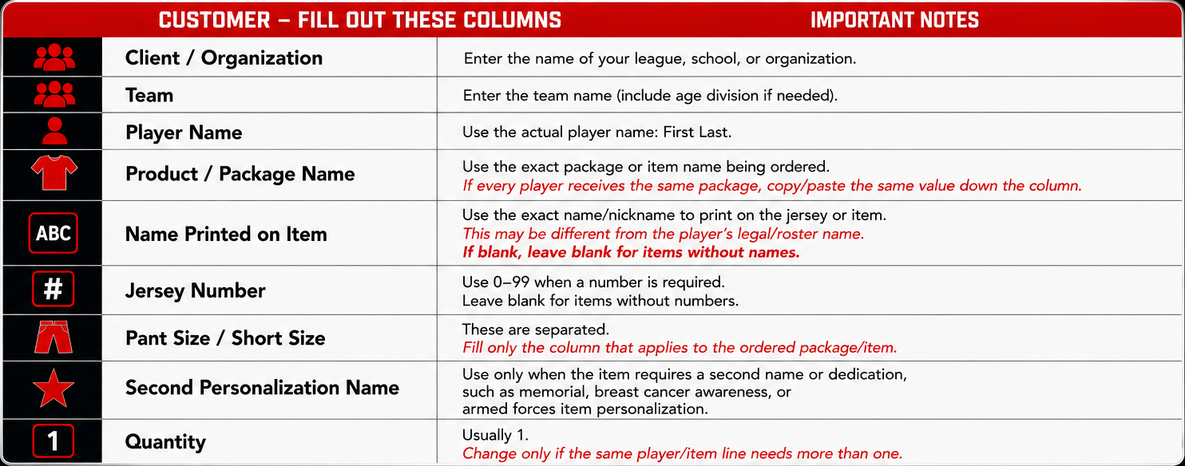

ENTER {REQUIRERD INFO} | Example | Having trouble? Text/Call 832-483-9878
{ENTER TEAM ORG NAME} | Barber Hills Little League | HELPFUL LINKS
{ENTER ORDER CONTACT NAME} | Bill Miller | Size Guide Link
{ENTER ORDER CONTACT CELL} | 123-456-2626 | FAQ for League Organizers Link
{ENTER ODER CONTAQCT EMAIL} | coach.thompson@example.com | Help Form

Player Primarily Email Contact (for notification of shipment) | Client / Organization | Team Name (Age or specific team name in your Org) | Player Name | Product / Package Name | Name Printed on Item | Jersey Number | Jersey /Shirt Size | Pant Size | Short Size | Arm Sleeve Size | Second Personalization Name | QUAN | YOUR NOTES
<<<SAMPLE DATA FOR REFERENCE ONLY>>>
coach.thompson@example.com | Barber Hills Little League | 8U Rangers | Jackson Miller | Rangers Fall Uniform Package | Miller | 7 | YS | YS |  | Y |  | 1
noah.thompson@example.com | Barber Hills Little League | 8U Rangers | Noah Thompson | Rangers Fall Uniform Package | Thompson | 12 | YM | YM |  | Y |  | 1
liam.garcia@example.com | Barber Hills Little League | 8U Rangers | Liam Garcia | Rangers Fall Uniform Package | Garcia | 24 | YS | YS |  | Y |  | 1
coach.miller@example.com | Barber Hills Little League | 8U Rangers | Coach Miller | Rangers Coach Jersey & Cap | Coach Miller | 0 | AL |  |  |  |  | 1
coach.thompson@example.com | Barber Hills Little League | 8U Rangers | Coach Thompson | Rangers Coach Jersey & Cap | Coach Thompson | 1 | AXL |  |  |  |  | 1
coach.garcia@example.com | Barber Hills Little League | 8U Rangers | Coach Garcia | Rangers Coach Jersey & Cap | Coach Garcia | 2 | AM |  |  |  |  | 1
coach.thompson@example.com | Barber Hills Little League | 8U Rangers | Coach Garcia | Rangers Coach Jersey & Cap | Coach Garcia | 2 | AM |  |  |  |  | 1
avery.williams@example.com | Barber Hills Little League | 10U Heat | Avery Williams | Heat Fall Uniform Package | Williams | 2 | YM | YM |  | Y |  | 1
addison.clark@example.com | Barber Hills Little League | 10U Heat | Addison Clark | Heat Fall Uniform Package | Clark | 25 | YL | YL |  | Y |  | 1
brooklyn.hall@example.com | Barber Hills Little League | 10U Heat | Brooklyn Hall | Heat Fall Uniform Package | Hall | 6 | AS | AS |  | AS |  | 1
lily.allen@example.com | Barber Hills Little League | 10U Heat | Lily Allen | Heat Breast Cancer Jersey | Allen | 13 | YL |  |  |  | Mom | 1
grace.young@example.com | Barber Hills Little League | 10U Heat | Grace Young | Heat Fall Uniform Package | Young | 17 | YM | YM |  | Y |  | 1
chloe.king@example.com | Barber Hills Little League | 10U Heat | Chloe King | Heat Armed Forces Jersey | King | 19 | AS |  |  |  | Grandpa Joe | 1
coach.williams@example.com | Barber Hills Little League | 10U Heat | Coach Williams | Heat Coach Jersey & Cap | Coach Williams | 0 | AL |  |  |  |  | 1
<<<PASTE/ENTER YOUR ORDER BELOW>>>
Player Primarily Email Contact (for notification of shipment) | Client / Organization | Team Name (Age or specific team name in your Org) | Player Name | Product / Package Name | Name Printed on Item | Jersey Number | Jersey /Shirt Size | Pant Size | Short Size | Arm Sleeve Size | Second Personalization Name | QUAN | YOUR NOTES
 | {ENTER TEAM ORG NAME}
 | {ENTER TEAM ORG NAME}
 | {ENTER TEAM ORG NAME}
 | {ENTER TEAM ORG NAME}
 | {ENTER TEAM ORG NAME}
 | {ENTER TEAM ORG NAME}
 | {ENTER TEAM ORG NAME}
 | {ENTER TEAM ORG NAME}
 | {ENTER TEAM ORG NAME}
 | {ENTER TEAM ORG NAME}
 | {ENTER TEAM ORG NAME}
 | {ENTER TEAM ORG NAME}
 | {ENTER TEAM ORG NAME}
 | {ENTER TEAM ORG NAME}
 | {ENTER TEAM ORG NAME}
 | {ENTER TEAM ORG NAME}
 | {ENTER TEAM ORG NAME}
 | {ENTER TEAM ORG NAME}
 | {ENTER TEAM ORG NAME}
 | {ENTER TEAM ORG NAME}
 | {ENTER TEAM ORG NAME}
 | {ENTER TEAM ORG NAME}
 | {ENTER TEAM ORG NAME}
 | {ENTER TEAM ORG NAME}
 | {ENTER TEAM ORG NAME}
 | {ENTER TEAM ORG NAME}
 | {ENTER TEAM ORG NAME}
 | {ENTER TEAM ORG NAME}
 | {ENTER TEAM ORG NAME}
 | {ENTER TEAM ORG NAME}
 | {ENTER TEAM ORG NAME}
 | {ENTER TEAM ORG NAME}
 | {ENTER TEAM ORG NAME}
 | {ENTER TEAM ORG NAME}
 | {ENTER TEAM ORG NAME}
 | {ENTER TEAM ORG NAME}
 | {ENTER TEAM ORG NAME}
 | {ENTER TEAM ORG NAME}
 | {ENTER TEAM ORG NAME}
 | {ENTER TEAM ORG NAME}
 | {ENTER TEAM ORG NAME}
 | {ENTER TEAM ORG NAME}
 | {ENTER TEAM ORG NAME}
 | {ENTER TEAM ORG NAME}
 | {ENTER TEAM ORG NAME}
 | {ENTER TEAM ORG NAME}
 | {ENTER TEAM ORG NAME}
 | {ENTER TEAM ORG NAME}
 | {ENTER TEAM ORG NAME}
 | {ENTER TEAM ORG NAME}
 | {ENTER TEAM ORG NAME}
 | {ENTER TEAM ORG NAME}
 | {ENTER TEAM ORG NAME}
 | {ENTER TEAM ORG NAME}
 | {ENTER TEAM ORG NAME}
 | {ENTER TEAM ORG NAME}
 | {ENTER TEAM ORG NAME}
 | {ENTER TEAM ORG NAME}
 | {ENTER TEAM ORG NAME}
 | {ENTER TEAM ORG NAME}
 | {ENTER TEAM ORG NAME}
 | {ENTER TEAM ORG NAME}
 | {ENTER TEAM ORG NAME}
 | {ENTER TEAM ORG NAME}
 | {ENTER TEAM ORG NAME}
 | {ENTER TEAM ORG NAME}
 | {ENTER TEAM ORG NAME}
 | {ENTER TEAM ORG NAME}
 | {ENTER TEAM ORG NAME}
 | {ENTER TEAM ORG NAME}
 | {ENTER TEAM ORG NAME}
 | {ENTER TEAM ORG NAME}
 | {ENTER TEAM ORG NAME}
 | {ENTER TEAM ORG NAME}
 | {ENTER TEAM ORG NAME}
 | {ENTER TEAM ORG NAME}
 | {ENTER TEAM ORG NAME}
 | {ENTER TEAM ORG NAME}
 | {ENTER TEAM ORG NAME}
 | {ENTER TEAM ORG NAME}
 | {ENTER TEAM ORG NAME}
 | {ENTER TEAM ORG NAME}
 | {ENTER TEAM ORG NAME}
 | {ENTER TEAM ORG NAME}
 | {ENTER TEAM ORG NAME}
 | {ENTER TEAM ORG NAME}
 | {ENTER TEAM ORG NAME}
 | {ENTER TEAM ORG NAME}
 | {ENTER TEAM ORG NAME}
 | {ENTER TEAM ORG NAME}
 | {ENTER TEAM ORG NAME}
 | {ENTER TEAM ORG NAME}
 | {ENTER TEAM ORG NAME}
 | {ENTER TEAM ORG NAME}
 | {ENTER TEAM ORG NAME}
 | {ENTER TEAM ORG NAME}
 | {ENTER TEAM ORG NAME}
 | {ENTER TEAM ORG NAME}
 | {ENTER TEAM ORG NAME}
 | {ENTER TEAM ORG NAME}
 | {ENTER TEAM ORG NAME}
 | {ENTER TEAM ORG NAME}
 | {ENTER TEAM ORG NAME}
 | {ENTER TEAM ORG NAME}
 | {ENTER TEAM ORG NAME}
 | {ENTER TEAM ORG NAME}
 | {ENTER TEAM ORG NAME}
 | {ENTER TEAM ORG NAME}
 | {ENTER TEAM ORG NAME}
 | {ENTER TEAM ORG NAME}
 | {ENTER TEAM ORG NAME}
 | {ENTER TEAM ORG NAME}
 | {ENTER TEAM ORG NAME}
 | {ENTER TEAM ORG NAME}
 | {ENTER TEAM ORG NAME}
 | {ENTER TEAM ORG NAME}
 | {ENTER TEAM ORG NAME}
 | {ENTER TEAM ORG NAME}
 | {ENTER TEAM ORG NAME}
 | {ENTER TEAM ORG NAME}
 | {ENTER TEAM ORG NAME}
 | {ENTER TEAM ORG NAME}
 | {ENTER TEAM ORG NAME}
 | {ENTER TEAM ORG NAME}
 | {ENTER TEAM ORG NAME}
 | {ENTER TEAM ORG NAME}
 | {ENTER TEAM ORG NAME}
 | {ENTER TEAM ORG NAME}
 | {ENTER TEAM ORG NAME}
 | {ENTER TEAM ORG NAME}
 | {ENTER TEAM ORG NAME}
 | {ENTER TEAM ORG NAME}
 | {ENTER TEAM ORG NAME}
 | {ENTER TEAM ORG NAME}
 | {ENTER TEAM ORG NAME}
 | {ENTER TEAM ORG NAME}
 | {ENTER TEAM ORG NAME}
 | {ENTER TEAM ORG NAME}
 | {ENTER TEAM ORG NAME}
 | {ENTER TEAM ORG NAME}
 | {ENTER TEAM ORG NAME}
 | {ENTER TEAM ORG NAME}
 | {ENTER TEAM ORG NAME}
 | {ENTER TEAM ORG NAME}
 | {ENTER TEAM ORG NAME}
 | {ENTER TEAM ORG NAME}
 | {ENTER TEAM ORG NAME}
 | {ENTER TEAM ORG NAME}
 | {ENTER TEAM ORG NAME}
 | {ENTER TEAM ORG NAME}
 | {ENTER TEAM ORG NAME}
 | {ENTER TEAM ORG NAME}
 | {ENTER TEAM ORG NAME}
 | {ENTER TEAM ORG NAME}
 | {ENTER TEAM ORG NAME}
 | {ENTER TEAM ORG NAME}
 | {ENTER TEAM ORG NAME}
 | {ENTER TEAM ORG NAME}
 | {ENTER TEAM ORG NAME}
 | {ENTER TEAM ORG NAME}
 | {ENTER TEAM ORG NAME}
 | {ENTER TEAM ORG NAME}
 | {ENTER TEAM ORG NAME}
 | {ENTER TEAM ORG NAME}
 | {ENTER TEAM ORG NAME}
 | {ENTER TEAM ORG NAME}
 | {ENTER TEAM ORG NAME}
 | {ENTER TEAM ORG NAME}
 | {ENTER TEAM ORG NAME}
 | {ENTER TEAM ORG NAME}
 | {ENTER TEAM ORG NAME}
 | {ENTER TEAM ORG NAME}
 | {ENTER TEAM ORG NAME}
 | {ENTER TEAM ORG NAME}
 | {ENTER TEAM ORG NAME}
 | {ENTER TEAM ORG NAME}
 | {ENTER TEAM ORG NAME}
 | {ENTER TEAM ORG NAME}
 | {ENTER TEAM ORG NAME}
 | {ENTER TEAM ORG NAME}
 | {ENTER TEAM ORG NAME}
 | {ENTER TEAM ORG NAME}
 | {ENTER TEAM ORG NAME}
 | {ENTER TEAM ORG NAME}
 | {ENTER TEAM ORG NAME}
 | {ENTER TEAM ORG NAME}
 | {ENTER TEAM ORG NAME}
 | {ENTER TEAM ORG NAME}
 | {ENTER TEAM ORG NAME}
 | {ENTER TEAM ORG NAME}
 | {ENTER TEAM ORG NAME}
 | {ENTER TEAM ORG NAME}
 | {ENTER TEAM ORG NAME}
 | {ENTER TEAM ORG NAME}
 | {ENTER TEAM ORG NAME}
 | {ENTER TEAM ORG NAME}
 | {ENTER TEAM ORG NAME}
 | {ENTER TEAM ORG NAME}
 | {ENTER TEAM ORG NAME}
 | {ENTER TEAM ORG NAME}
 | {ENTER TEAM ORG NAME}
 | {ENTER TEAM ORG NAME}
 | {ENTER TEAM ORG NAME}
 | {ENTER TEAM ORG NAME}
 | {ENTER TEAM ORG NAME}
 | {ENTER TEAM ORG NAME}
 | {ENTER TEAM ORG NAME}
 | {ENTER TEAM ORG NAME}
 | {ENTER TEAM ORG NAME}
 | {ENTER TEAM ORG NAME}
 | {ENTER TEAM ORG NAME}
 | {ENTER TEAM ORG NAME}
 | {ENTER TEAM ORG NAME}
 | {ENTER TEAM ORG NAME}
 | {ENTER TEAM ORG NAME}
 | {ENTER TEAM ORG NAME}
 | {ENTER TEAM ORG NAME}
 | {ENTER TEAM ORG NAME}
 | {ENTER TEAM ORG NAME}
 | {ENTER TEAM ORG NAME}
 | {ENTER TEAM ORG NAME}
 | {ENTER TEAM ORG NAME}
 | {ENTER TEAM ORG NAME}
 | {ENTER TEAM ORG NAME}
 | {ENTER TEAM ORG NAME}
 | {ENTER TEAM ORG NAME}
 | {ENTER TEAM ORG NAME}
 | {ENTER TEAM ORG NAME}
 | {ENTER TEAM ORG NAME}
 | {ENTER TEAM ORG NAME}
 | {ENTER TEAM ORG NAME}
 | {ENTER TEAM ORG NAME}
 | {ENTER TEAM ORG NAME}
 | {ENTER TEAM ORG NAME}
 | {ENTER TEAM ORG NAME}
 | {ENTER TEAM ORG NAME}
 | {ENTER TEAM ORG NAME}
 | {ENTER TEAM ORG NAME}
 | {ENTER TEAM ORG NAME}
 | {ENTER TEAM ORG NAME}
 | {ENTER TEAM ORG NAME}
 | {ENTER TEAM ORG NAME}
 | {ENTER TEAM ORG NAME}
 | {ENTER TEAM ORG NAME}
 | {ENTER TEAM ORG NAME}
 | {ENTER TEAM ORG NAME}
 | {ENTER TEAM ORG NAME}
 | {ENTER TEAM ORG NAME}
 | {ENTER TEAM ORG NAME}
 | {ENTER TEAM ORG NAME}
 | {ENTER TEAM ORG NAME}
 | {ENTER TEAM ORG NAME}
 | {ENTER TEAM ORG NAME}
 | {ENTER TEAM ORG NAME}
 | {ENTER TEAM ORG NAME}
 | {ENTER TEAM ORG NAME}
 | {ENTER TEAM ORG NAME}
 | {ENTER TEAM ORG NAME}
 | {ENTER TEAM ORG NAME}
 | {ENTER TEAM ORG NAME}
 | {ENTER TEAM ORG NAME}
 | {ENTER TEAM ORG NAME}
 | {ENTER TEAM ORG NAME}
 | {ENTER TEAM ORG NAME}
 | {ENTER TEAM ORG NAME}
 | {ENTER TEAM ORG NAME}
 | {ENTER TEAM ORG NAME}
 | {ENTER TEAM ORG NAME}
 | {ENTER TEAM ORG NAME}
 | {ENTER TEAM ORG NAME}
 | {ENTER TEAM ORG NAME}
 | {ENTER TEAM ORG NAME}
 | {ENTER TEAM ORG NAME}
 | {ENTER TEAM ORG NAME}
 | {ENTER TEAM ORG NAME}
 | {ENTER TEAM ORG NAME}
 | {ENTER TEAM ORG NAME}
 | {ENTER TEAM ORG NAME}
 | {ENTER TEAM ORG NAME}
 | {ENTER TEAM ORG NAME}
 | {ENTER TEAM ORG NAME}
 | {ENTER TEAM ORG NAME}
 | {ENTER TEAM ORG NAME}
 | {ENTER TEAM ORG NAME}
 | {ENTER TEAM ORG NAME}
 | {ENTER TEAM ORG NAME}
 | {ENTER TEAM ORG NAME}
 | {ENTER TEAM ORG NAME}
 | {ENTER TEAM ORG NAME}
 | {ENTER TEAM ORG NAME}
 | {ENTER TEAM ORG NAME}
 | {ENTER TEAM ORG NAME}
 | {ENTER TEAM ORG NAME}
 | {ENTER TEAM ORG NAME}
 | {ENTER TEAM ORG NAME}
 | {ENTER TEAM ORG NAME}
 | {ENTER TEAM ORG NAME}
 | {ENTER TEAM ORG NAME}
 | {ENTER TEAM ORG NAME}
 | {ENTER TEAM ORG NAME}
 | {ENTER TEAM ORG NAME}
 | {ENTER TEAM ORG NAME}
 | {ENTER TEAM ORG NAME}
 | {ENTER TEAM ORG NAME}
 | {ENTER TEAM ORG NAME}
 | {ENTER TEAM ORG NAME}
 | {ENTER TEAM ORG NAME}
 | {ENTER TEAM ORG NAME}
 | {ENTER TEAM ORG NAME}
 | {ENTER TEAM ORG NAME}
 | {ENTER TEAM ORG NAME}
 | {ENTER TEAM ORG NAME}
 | {ENTER TEAM ORG NAME}
 | {ENTER TEAM ORG NAME}
 | {ENTER TEAM ORG NAME}
 | {ENTER TEAM ORG NAME}
 | {ENTER TEAM ORG NAME}
 | {ENTER TEAM ORG NAME}
 | {ENTER TEAM ORG NAME}
 | {ENTER TEAM ORG NAME}
 | {ENTER TEAM ORG NAME}
 | {ENTER TEAM ORG NAME}
 | {ENTER TEAM ORG NAME}
 | {ENTER TEAM ORG NAME}
 | {ENTER TEAM ORG NAME}
 | {ENTER TEAM ORG NAME}
 | {ENTER TEAM ORG NAME}
 | {ENTER TEAM ORG NAME}
 | {ENTER TEAM ORG NAME}
 | {ENTER TEAM ORG NAME}
 | {ENTER TEAM ORG NAME}
 | {ENTER TEAM ORG NAME}
 | {ENTER TEAM ORG NAME}
 | {ENTER TEAM ORG NAME}
 | {ENTER TEAM ORG NAME}
 | {ENTER TEAM ORG NAME}
 | {ENTER TEAM ORG NAME}
 | {ENTER TEAM ORG NAME}
 | {ENTER TEAM ORG NAME}
 | {ENTER TEAM ORG NAME}
 | {ENTER TEAM ORG NAME}
 | {ENTER TEAM ORG NAME}
 | {ENTER TEAM ORG NAME}
 | {ENTER TEAM ORG NAME}
 | {ENTER TEAM ORG NAME}
 | {ENTER TEAM ORG NAME}
 | {ENTER TEAM ORG NAME}
 | {ENTER TEAM ORG NAME}
 | {ENTER TEAM ORG NAME}
 | {ENTER TEAM ORG NAME}
 | {ENTER TEAM ORG NAME}
 | {ENTER TEAM ORG NAME}
 | {ENTER TEAM ORG NAME}
 | {ENTER TEAM ORG NAME}
 | {ENTER TEAM ORG NAME}
 | {ENTER TEAM ORG NAME}
 | {ENTER TEAM ORG NAME}
 | {ENTER TEAM ORG NAME}
 | {ENTER TEAM ORG NAME}
 | {ENTER TEAM ORG NAME}
 | {ENTER TEAM ORG NAME}
 | {ENTER TEAM ORG NAME}
 | {ENTER TEAM ORG NAME}
 | {ENTER TEAM ORG NAME}
 | {ENTER TEAM ORG NAME}
 | {ENTER TEAM ORG NAME}
 | {ENTER TEAM ORG NAME}
 | {ENTER TEAM ORG NAME}
 | {ENTER TEAM ORG NAME}
 | {ENTER TEAM ORG NAME}
 | {ENTER TEAM ORG NAME}
 | {ENTER TEAM ORG NAME}
 | {ENTER TEAM ORG NAME}
 | {ENTER TEAM ORG NAME}
 | {ENTER TEAM ORG NAME}
 | {ENTER TEAM ORG NAME}
 | {ENTER TEAM ORG NAME}
 | {ENTER TEAM ORG NAME}
 | {ENTER TEAM ORG NAME}
 | {ENTER TEAM ORG NAME}
 | {ENTER TEAM ORG NAME}
 | {ENTER TEAM ORG NAME}
 | {ENTER TEAM ORG NAME}
 | {ENTER TEAM ORG NAME}
 | {ENTER TEAM ORG NAME}
 | {ENTER TEAM ORG NAME}
 | {ENTER TEAM ORG NAME}
 | {ENTER TEAM ORG NAME}
 | {ENTER TEAM ORG NAME}
 | {ENTER TEAM ORG NAME}
 | {ENTER TEAM ORG NAME}
 | {ENTER TEAM ORG NAME}
 | {ENTER TEAM ORG NAME}
 | {ENTER TEAM ORG NAME}
 | {ENTER TEAM ORG NAME}
 | {ENTER TEAM ORG NAME}
 | {ENTER TEAM ORG NAME}
 | {ENTER TEAM ORG NAME}
 | {ENTER TEAM ORG NAME}
 | {ENTER TEAM ORG NAME}
 | {ENTER TEAM ORG NAME}
 | {ENTER TEAM ORG NAME}
 | {ENTER TEAM ORG NAME}
 | {ENTER TEAM ORG NAME}
 | {ENTER TEAM ORG NAME}
 | {ENTER TEAM ORG NAME}
 | {ENTER TEAM ORG NAME}
 | {ENTER TEAM ORG NAME}
 | {ENTER TEAM ORG NAME}
 | {ENTER TEAM ORG NAME}
 | {ENTER TEAM ORG NAME}
 | {ENTER TEAM ORG NAME}
 | {ENTER TEAM ORG NAME}
 | {ENTER TEAM ORG NAME}
 | {ENTER TEAM ORG NAME}
 | {ENTER TEAM ORG NAME}
 | {ENTER TEAM ORG NAME}
 | {ENTER TEAM ORG NAME}
 | {ENTER TEAM ORG NAME}
 | {ENTER TEAM ORG NAME}
 | {ENTER TEAM ORG NAME}
 | {ENTER TEAM ORG NAME}
 | {ENTER TEAM ORG NAME}
 | {ENTER TEAM ORG NAME}
 | {ENTER TEAM ORG NAME}
 | {ENTER TEAM ORG NAME}
 | {ENTER TEAM ORG NAME}
 | {ENTER TEAM ORG NAME}
 | {ENTER TEAM ORG NAME}
 | {ENTER TEAM ORG NAME}
 | {ENTER TEAM ORG NAME}
 | {ENTER TEAM ORG NAME}
 | {ENTER TEAM ORG NAME}
 | {ENTER TEAM ORG NAME}
 | {ENTER TEAM ORG NAME}
 | {ENTER TEAM ORG NAME}
 | {ENTER TEAM ORG NAME}
 | {ENTER TEAM ORG NAME}
 | {ENTER TEAM ORG NAME}
 | {ENTER TEAM ORG NAME}
 | {ENTER TEAM ORG NAME}
 | {ENTER TEAM ORG NAME}
 | {ENTER TEAM ORG NAME}
 | {ENTER TEAM ORG NAME}
 | {ENTER TEAM ORG NAME}
 | {ENTER TEAM ORG NAME}
 | {ENTER TEAM ORG NAME}
 | {ENTER TEAM ORG NAME}
 | {ENTER TEAM ORG NAME}
 | {ENTER TEAM ORG NAME}
 | {ENTER TEAM ORG NAME}
 | {ENTER TEAM ORG NAME}
 | {ENTER TEAM ORG NAME}
 | {ENTER TEAM ORG NAME}
 | {ENTER TEAM ORG NAME}
 | {ENTER TEAM ORG NAME}
 | {ENTER TEAM ORG NAME}
 | {ENTER TEAM ORG NAME}
 | {ENTER TEAM ORG NAME}
 | {ENTER TEAM ORG NAME}
 | {ENTER TEAM ORG NAME}
 | {ENTER TEAM ORG NAME}
 | {ENTER TEAM ORG NAME}
 | {ENTER TEAM ORG NAME}
 | {ENTER TEAM ORG NAME}
 | {ENTER TEAM ORG NAME}
 | {ENTER TEAM ORG NAME}
 | {ENTER TEAM ORG NAME}
 | {ENTER TEAM ORG NAME}
 | {ENTER TEAM ORG NAME}
 | {ENTER TEAM ORG NAME}
 | {ENTER TEAM ORG NAME}
 | {ENTER TEAM ORG NAME}
 | {ENTER TEAM ORG NAME}
 | {ENTER TEAM ORG NAME}
 | {ENTER TEAM ORG NAME}
 | {ENTER TEAM ORG NAME}
 | {ENTER TEAM ORG NAME}
 | {ENTER TEAM ORG NAME}
 | {ENTER TEAM ORG NAME}
 | {ENTER TEAM ORG NAME}
 | {ENTER TEAM ORG NAME}
 | {ENTER TEAM ORG NAME}
 | {ENTER TEAM ORG NAME}
 | {ENTER TEAM ORG NAME}
 | {ENTER TEAM ORG NAME}
 | {ENTER TEAM ORG NAME}
 | {ENTER TEAM ORG NAME}
 | {ENTER TEAM ORG NAME}
 | {ENTER TEAM ORG NAME}
 | {ENTER TEAM ORG NAME}
 | {ENTER TEAM ORG NAME}
 | {ENTER TEAM ORG NAME}
 | {ENTER TEAM ORG NAME}
 | {ENTER TEAM ORG NAME}
 | {ENTER TEAM ORG NAME}
 | {ENTER TEAM ORG NAME}
 | {ENTER TEAM ORG NAME}
 | {ENTER TEAM ORG NAME}
 | {ENTER TEAM ORG NAME}
 | {ENTER TEAM ORG NAME}
 | {ENTER TEAM ORG NAME}
 | {ENTER TEAM ORG NAME}
 | {ENTER TEAM ORG NAME}
 | {ENTER TEAM ORG NAME}
 | {ENTER TEAM ORG NAME}
 | {ENTER TEAM ORG NAME}
 | {ENTER TEAM ORG NAME}
 | {ENTER TEAM ORG NAME}
 | {ENTER TEAM ORG NAME}
 | {ENTER TEAM ORG NAME}
 | {ENTER TEAM ORG NAME}
 | {ENTER TEAM ORG NAME}
 | {ENTER TEAM ORG NAME}
 | {ENTER TEAM ORG NAME}
 | {ENTER TEAM ORG NAME}
 | {ENTER TEAM ORG NAME}
 | {ENTER TEAM ORG NAME}
 | {ENTER TEAM ORG NAME}
 | {ENTER TEAM ORG NAME}
 | {ENTER TEAM ORG NAME}
 | {ENTER TEAM ORG NAME}
 | {ENTER TEAM ORG NAME}
 | {ENTER TEAM ORG NAME}
 | {ENTER TEAM ORG NAME}
 | {ENTER TEAM ORG NAME}
 | {ENTER TEAM ORG NAME}
 | {ENTER TEAM ORG NAME}
 | {ENTER TEAM ORG NAME}
 | {ENTER TEAM ORG NAME}
 | {ENTER TEAM ORG NAME}
 | {ENTER TEAM ORG NAME}
 | {ENTER TEAM ORG NAME}
 | {ENTER TEAM ORG NAME}
 | {ENTER TEAM ORG NAME}
 | {ENTER TEAM ORG NAME}
 | {ENTER TEAM ORG NAME}
 | {ENTER TEAM ORG NAME}
 | {ENTER TEAM ORG NAME}
 | {ENTER TEAM ORG NAME}
 | {ENTER TEAM ORG NAME}
 | {ENTER TEAM ORG NAME}
 | {ENTER TEAM ORG NAME}
 | {ENTER TEAM ORG NAME}
 | {ENTER TEAM ORG NAME}
 | {ENTER TEAM ORG NAME}
 | {ENTER TEAM ORG NAME}
 | {ENTER TEAM ORG NAME}
 | {ENTER TEAM ORG NAME}
 | {ENTER TEAM ORG NAME}
 | {ENTER TEAM ORG NAME}
 | {ENTER TEAM ORG NAME}
 | {ENTER TEAM ORG NAME}
 | {ENTER TEAM ORG NAME}
 | {ENTER TEAM ORG NAME}
 | {ENTER TEAM ORG NAME}
 | {ENTER TEAM ORG NAME}
 | {ENTER TEAM ORG NAME}
 | {ENTER TEAM ORG NAME}
 | {ENTER TEAM ORG NAME}
 | {ENTER TEAM ORG NAME}
 | {ENTER TEAM ORG NAME}
 | {ENTER TEAM ORG NAME}
 | {ENTER TEAM ORG NAME}
 | {ENTER TEAM ORG NAME}
 | {ENTER TEAM ORG NAME}
 | {ENTER TEAM ORG NAME}
 | {ENTER TEAM ORG NAME}
 | {ENTER TEAM ORG NAME}
 | {ENTER TEAM ORG NAME}
 | {ENTER TEAM ORG NAME}
 | {ENTER TEAM ORG NAME}
 | {ENTER TEAM ORG NAME}
 | {ENTER TEAM ORG NAME}
 | {ENTER TEAM ORG NAME}
 | {ENTER TEAM ORG NAME}
 | {ENTER TEAM ORG NAME}
 | {ENTER TEAM ORG NAME}

